Banner_Front Page

http://www.starthere.com.au/


 |  | How it works ?
 |  | 1 Sign Up
 |  | 2 Shop Online
 |  | 3 Get Cashback
 |  | 4 Refer A Friend

 |  | Sign up





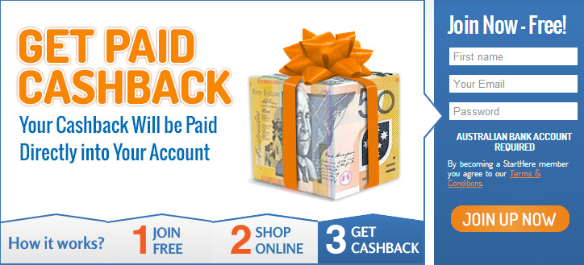

 | Refer A Friend

